Home
Home

1st Section (Top) | Header:

 | Catchy Slogan: "Turning every sip of water into a wave of eco-friendly advertising"
 | Sub-heading: "Filling the Future"

2nd Section (Where the drips concept) | Main Content:

 | Hero Image/Banner: Visual representation of AdAqua bottles with ads.
 | Introduction Text: Discover Adaqua: The pioneering platform that merges hydration with impactful advertising. Our eco-friendly water cartons serve as a unique advertising medium, promoting sustainability while enhancing brand visibility.

Call to Action | Button: “Learn More” (Links to About Us)
 | Button: “Join Our Platform” (Links to For Advertisers)
Small Section for banners

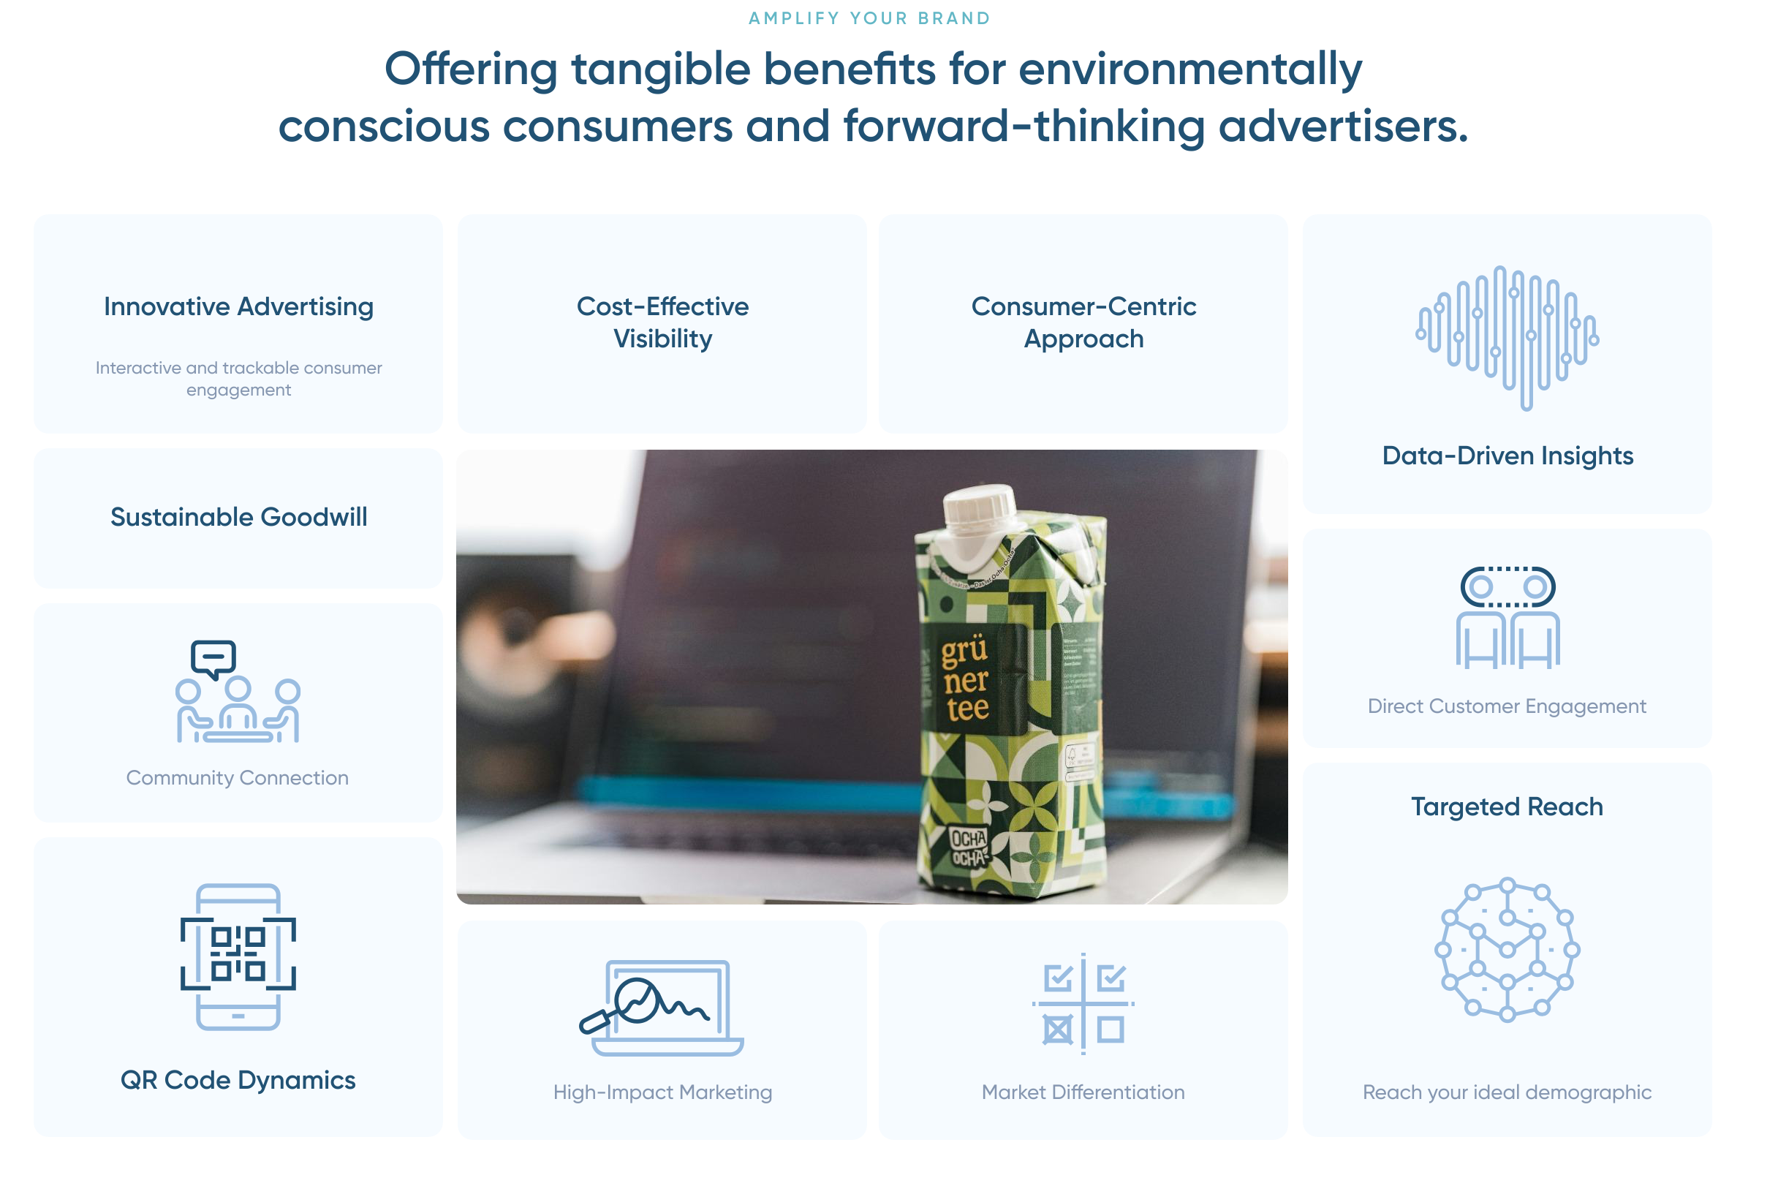

3rd Section

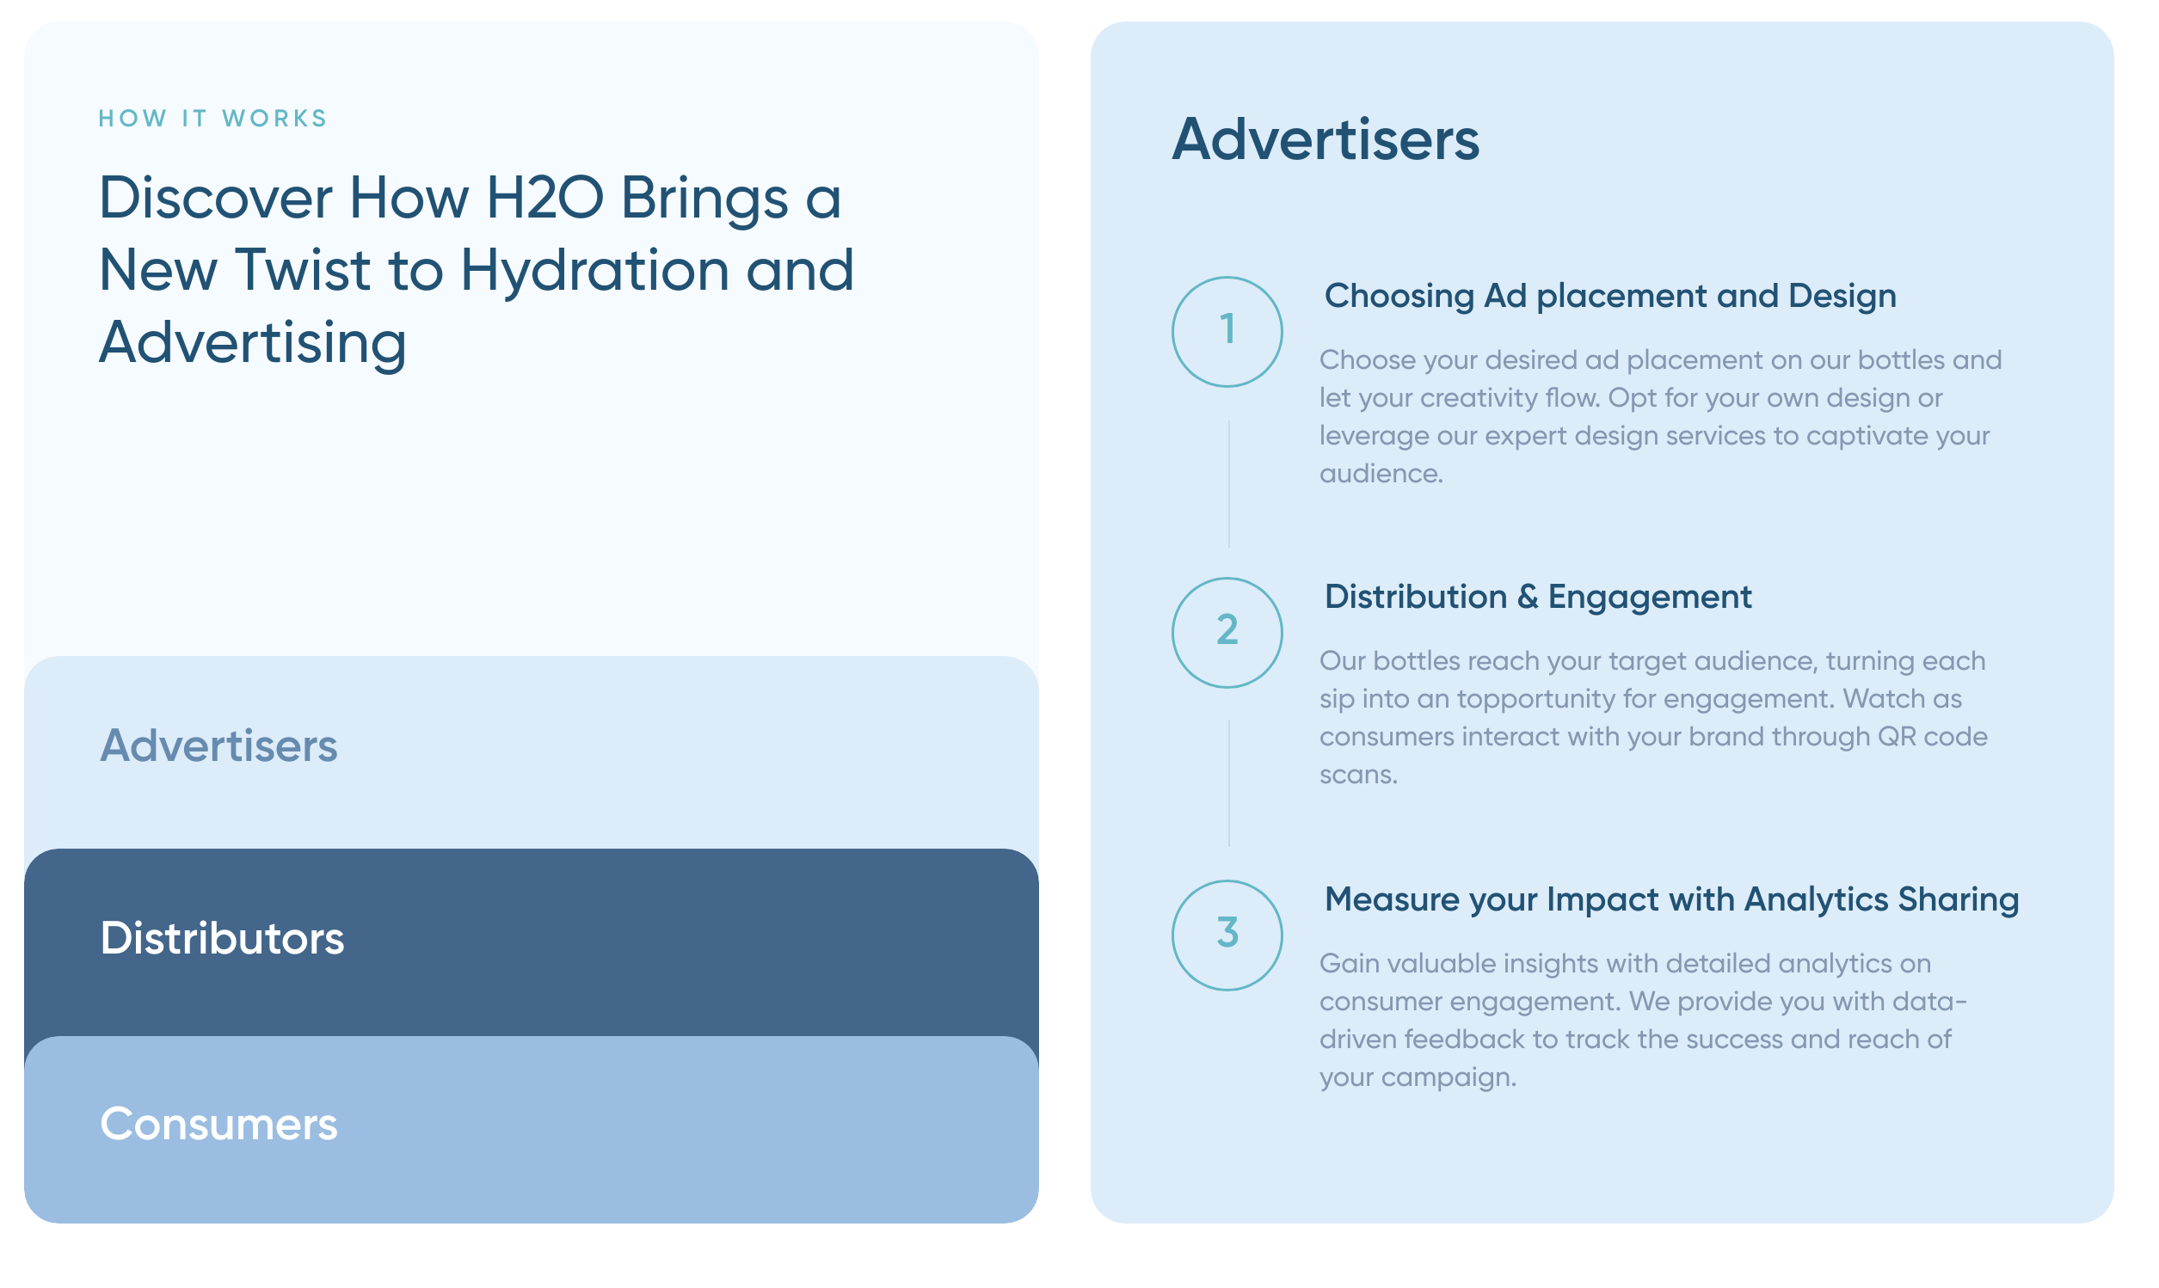
4th Section (How it works)

5th Section (Tiers) | Actual Sizes: Showcase the diffferent sizes and bottles in this section

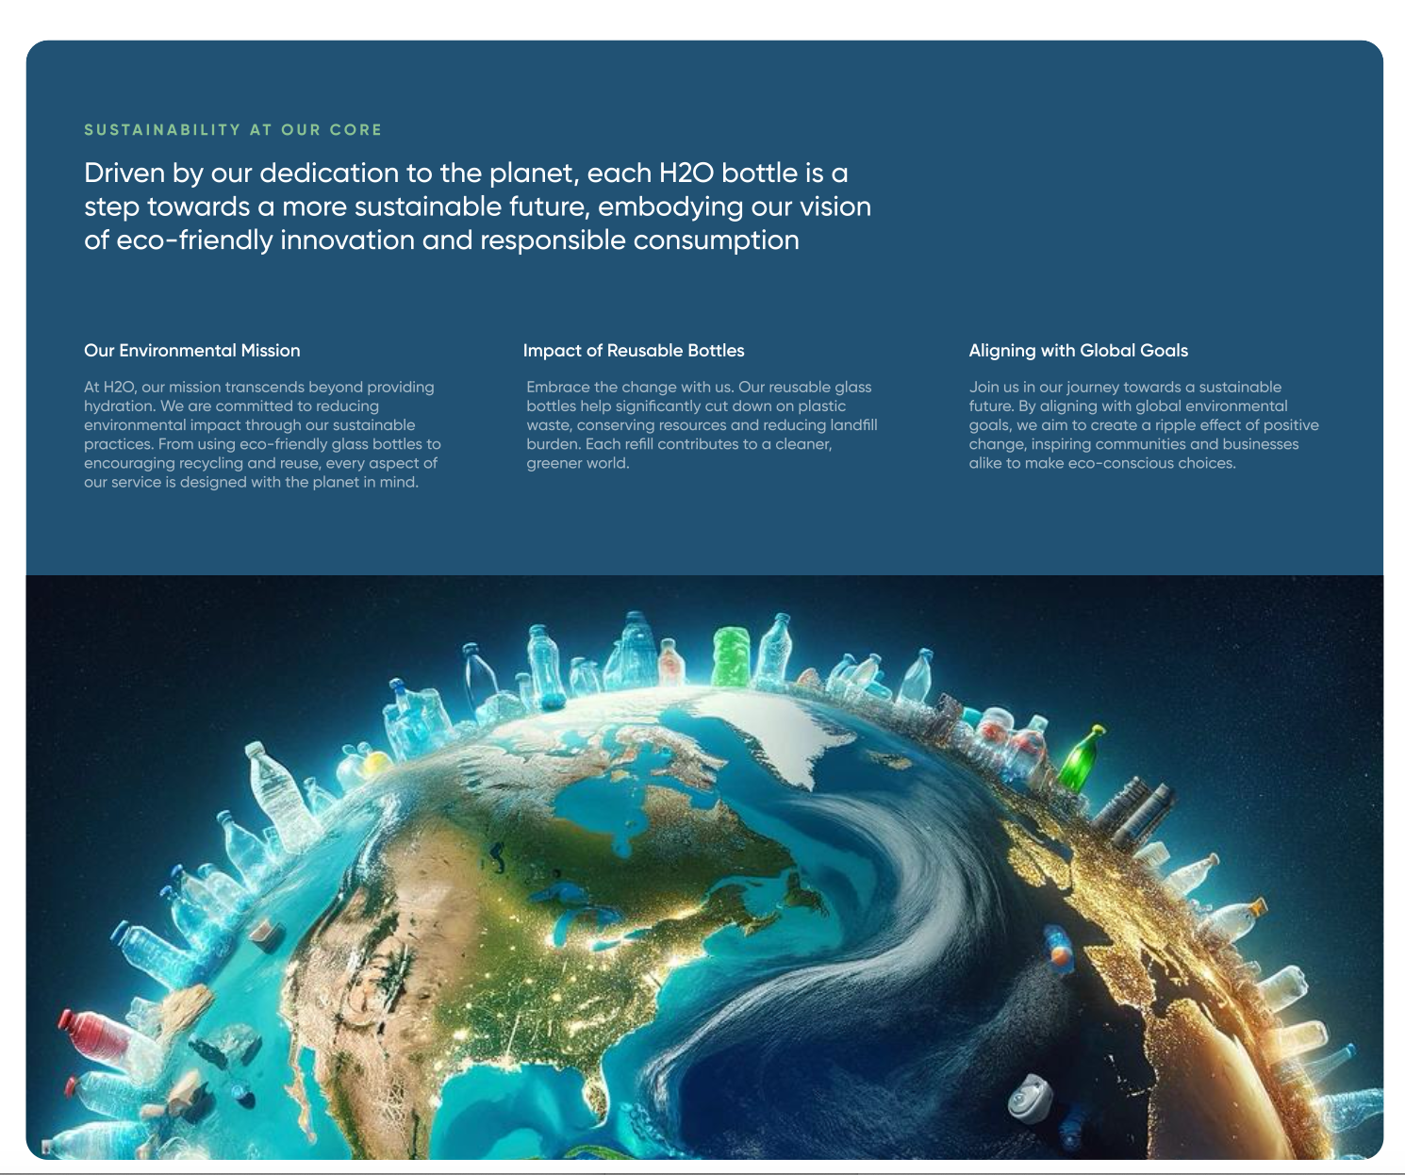
6h Section (Sustainability)

 |  | No changes

6h Section (Our Platform) | Adaqua offers a new form of media that revolutionizes advertising and sustainability. Here’s what makes our platform unique:
 | • Integrated Advertising Medium: Adaqua transforms water cartons into powerful advertising tools, combining sustainability with high-impact marketing.
 | • Real-Time Engagement: Brands engage with consumers in real-time through dynamic QR codes on each water carton, leading to interactive landing pages.
 | • Data-Driven Insights: Track and measure campaign effectiveness with detailed analytics on consumer engagement and behavior.
 | • Customizable Campaigns: Tailor advertising messages to specific audiences and venues, ensuring your brand stands out.
 | • Sustainability Reporting: Showcase environmental commitment with comprehensive reports highlighting plastic waste reduction and carbon neutrality.
 | • Profit Sharing for Venues: Venues benefit from profit-sharing by distributing our eco-friendly water cartons.
 | • Leverage Existing Sponsors: Venues can enhance their advertising campaigns by leveraging existing sponsors, creating a win-win situation.
 | • Seamless Integration: Integrates seamlessly with your existing marketing strategies for a cohesive and efficient advertising solution.
 | • Global Reach: Expand your brand’s visibility with Adaqua’s extensive distribution network, reaching eco-conscious consumers worldwide.

7th FAQs
 | What is Adaqua?

 | Adaqua is an innovative platform that combines sustainable hydration with impactful advertising. Our eco-friendly water cartons serve as a unique medium for brand messaging, promoting sustainability while enhancing brand visibility.

 | How does the advertising on Adaqua water cartons work?

 | Each Adaqua water carton features a dynamic QR code that consumers can scan to engage with your brand. These QR codes lead to interactive landing pages, providing real-time engagement and detailed analytics on consumer behavior.

 | What makes Adaqua’s advertising medium unique?

 | Adaqua transforms ordinary water cartons into powerful advertising tools. We integrate sustainability with high-impact marketing, offering customizable ad spaces, real-time engagement, and comprehensive sustainability reporting.

 | How do venues benefit from partnering with Adaqua?

 | Venues that distribute Adaqua water cartons benefit from a profit-sharing agreement, generating additional revenue. They can also leverage existing sponsors to enhance the value of their advertising campaigns, creating a win-win situation for all parties involved.

 | What kind of sustainability initiatives does Adaqua support?

 | Adaqua is dedicated to reducing plastic waste and promoting sustainability. Our water cartons are made from eco-friendly materials and are certified by the Carbon Trust. We provide comprehensive sustainability reports highlighting plastic waste reduction and our environmental impact.

 | How does Adaqua ensure data-driven advertising?

 | Our platform offers detailed analytics and reporting tools to help you track the success of your campaigns. You can measure consumer engagement and behavior in real-time, allowing for immediate feedback and adjustments.

 | Can I customize my advertising campaign on Adaqua?

 | Yes, our platform allows you to tailor your advertising messages to specific audiences and venues. You can create your own campaigns or join existing ones, ensuring your brand reaches the right target audience.

 | How does Adaqua integrate with existing marketing strategies?

 | Adaqua’s platform integrates seamlessly with your existing marketing strategies, providing a cohesive and efficient advertising solution. Our platform enhances your current efforts with innovative, eco-friendly advertising.

 | What is the global reach of Adaqua?

 | Adaqua has an extensive distribution network that allows you to expand your brand’s visibility to eco-conscious consumers worldwide. Our global reach ensures that your advertising message resonates with a diverse and engaged audience.

 | How can I get started with Adaqua?

 | To get started with Adaqua, simply contact us through our website or fill out our inquiry form. Our team will get in touch with you to discuss your needs and how Adaqua can help you achieve your advertising and sustainability goals.

